Network
2017/Sep/05 COSCON 10M lease line usage : < 25%
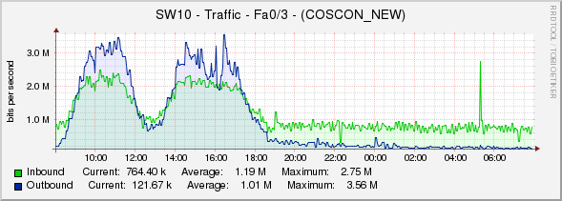

 | Daily (5 minutes average)

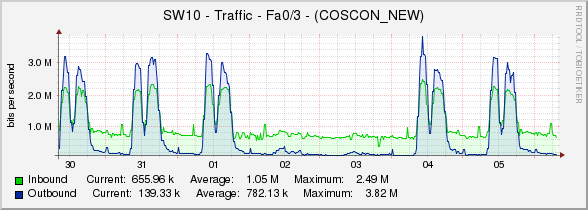

 | Weekly (30 minutes average)

 |  | 2017/Sep/05 COSCON 10M lease line usage : < 25%

 |  |  | Daily (5 minutes average)

 |  |  | Weekly (30 minutes average)

